Commercial Carbon Calculator
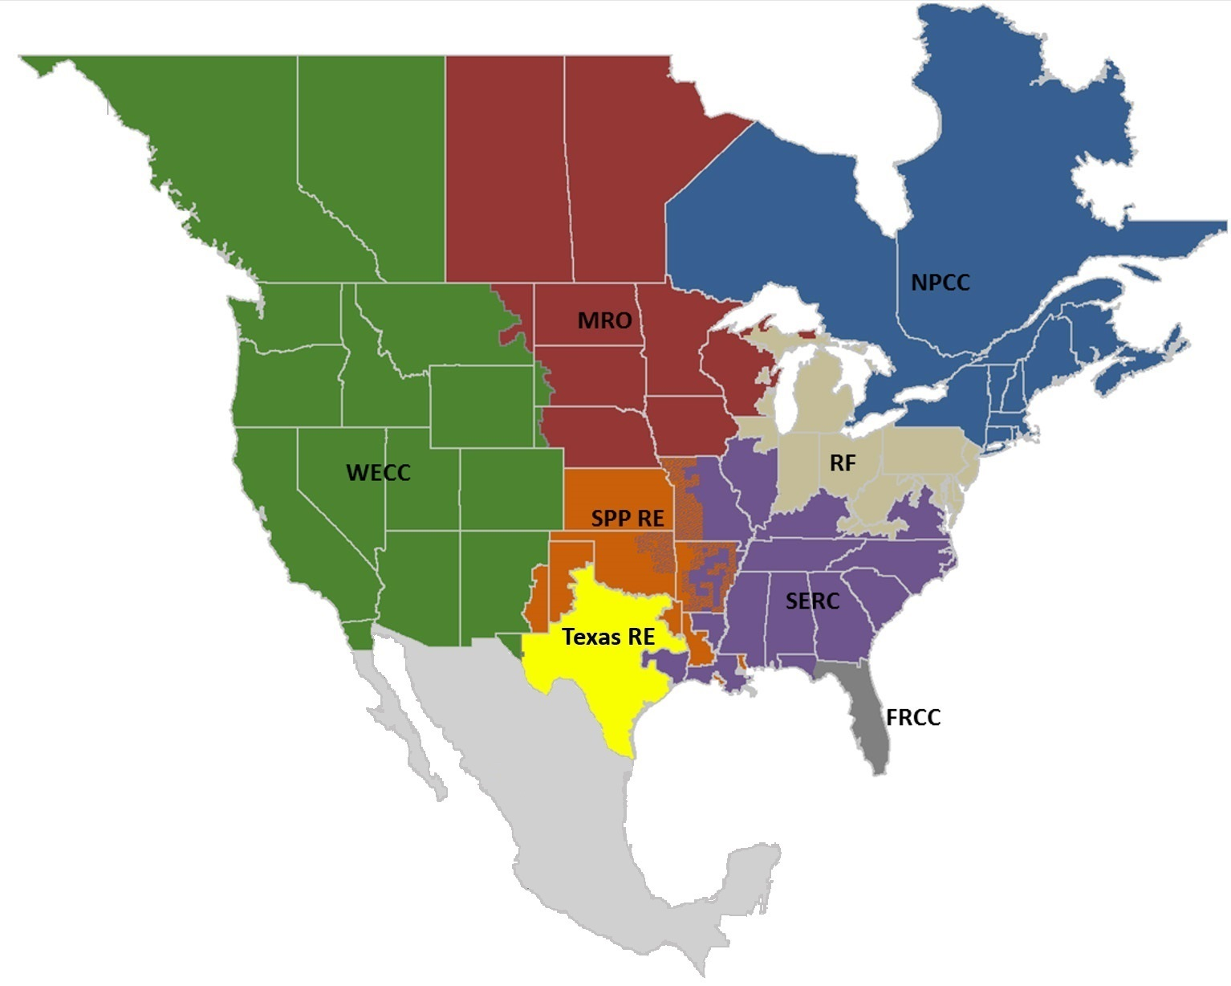

Disclaimer: This calculator was prepared for work sponsored by the Energy Solutions Center Inc. Neither The Energy Solutions Center, any member of The Energy Solutions Center, nor any person on behalf of any or all of them:
a) Makes any warranty or representation, express or implied, with respect to the accuracy, completeness, or usefulness of the information contained in this application or report, or
b) Assumes any liability with respect to the use of or for damages resulting from the use of any information disclosed in this application or report.
Commercial Carbon Calculator
 |  |  |  |  | Developed by:

User Input
 |  |  | Comparison Cases
Description | Reference Case |  | #1 | #2 |  | #3 | #4 | #5 | #6

Electricity Consumption (kWh/yr)

Natural Gas Consumption (MMBtu/yr)

Propane Consumption (gal/yr)

Heating Oil Consumption (gal/yr)

Notes:
1) For U.S. states, eGrid subregions, and NERC regions, select one of two eGRID U.S. emission profile options - 'Average All Sources' or Average Fossil'.
2) For Canadian provinces, please select the Canadian emissions profile option.
3) To view eGrid subregion and NERC region maps, click here.
Emissions Profile | US Average All Sources

Region | US Average
 |  | N

Annual Results |  | Reference | Comparison Cases
 | Units | Case | #1 | #2 |  | #3 | #4 | #5 | #6
Energy Consumption
Electricity (generated at central power plant) |  | 0.0 | 0.0 | 0.0 |  | 0.0 | 0.0 | 0.0 | 0.0
Natural Gas |  | 0.0 | 0.0 | 0.0 |  | 0.0 | 0.0 | 0.0 | 0.0
Propane | MMBtu/yr | 0.0 | 0.0 | 0.0 |  | 0.0 | 0.0 | 0.0 | 0.0
Heating Oil |  | 0.0 | 0.0 | 0.0 |  | 0.0 | 0.0 | 0.0 | 0.0
Total Energy Consumption |  | 0.0 | 0.0 | 0.0 |  | 0.0 | 0.0 | 0.0 | 0.0
CO2 Emissions | lb/year
Electricity |  | 0.0 | 0.0 | 0.0 |  | 0.0 | 0.0 | 0.0 | 0.0
Natural Gas |  | 0.0 | 0.0 | 0.0 |  | 0.0 | 0.0 | 0.0 | 0.0
Propane |  | 0.0 | 0.0 | 0.0 |  | 0.0 | 0.0 | 0.0 | 0.0
Heating Oil |  | 0.0 | 0.0 | 0.0 |  | 0.0 | 0.0 | 0.0 | 0.0
Total CO2 Emissions |  | 0.0 | 0.0 | 0.0 |  | 0.0 | 0.0 | 0.0 | 0.0
SO2 Emissions | lb/year
Electricity |  | 0.0 | 0.0 | 0.0 |  | 0.0 | 0.0 | 0.0 | 0.0
Natural Gas |  | 0.0 | 0.0 | 0.0 |  | 0.0 | 0.0 | 0.0 | 0.0
Propane |  | 0.0 | 0.0 | 0.0 |  | 0.0 | 0.0 | 0.0 | 0.0
Heating Oil |  | 0.0 | 0.0 | 0.0 |  | 0.0 | 0.0 | 0.0 | 0.0
Total SO2 Emissions |  | 0.0 | 0.0 | 0.0 |  | 0.0 | 0.0 | 0.0 | 0.0
NOX Emissions | lb/year
Electricity |  | 0.0 | 0.0 | 0.0 |  | 0.0 | 0.0 | 0.0 | 0.0
Natural Gas |  | 0.0 | 0.0 | 0.0 |  | 0.0 | 0.0 | 0.0 | 0.0
Propane |  | 0.0 | 0.0 | 0.0 |  | 0.0 | 0.0 | 0.0 | 0.0
Heating Oil |  | 0.0 | 0.0 | 0.0 |  | 0.0 | 0.0 | 0.0 | 0.0
Total NOX Emissions |  | 0.0 | 0.0 | 0.0 |  | 0.0 | 0.0 | 0.0 | 0.0
Emissions Savings (relative to Reference Case)
CO2 | lb/year | N/A | 0 | 0 |  | 0 | 0 | 0 | 0
 |  |  | #DIV/0! | #DIV/0! |  | #DIV/0! | #DIV/0! | #DIV/0! | #DIV/0!
SO2 |  | N/A | 0.0 | 0.0 |  | 0.0 | 0.0 | 0.0 | 0.0
 |  |  | #DIV/0! | #DIV/0! |  | #DIV/0! | #DIV/0! | #DIV/0! | #DIV/0!
NOX |  | N/A | 0.0 | 0.0 |  | 0.0 | 0.0 | 0.0 | 0.0
 |  |  | #DIV/0! | #DIV/0! |  | #DIV/0! | #DIV/0! | #DIV/0! | #DIV/0!
Equivalent CO2 Emissions
Cars |  | N/A | 0.00 | 0.00 |  | 0.00 | 0.00 | 0.00 | 0.00
Homes |  | N/A | 0.00 | 0.00 |  | 0.00 | 0.00 | 0.00 | 0.00
Note: A negative value represents an increase in emissions.

Assumptions and Data Sources

Description | Value | Units | Source |  |  | Link
Average gross (or higher) heating value of natural gas | 1,020 | Btu/scf | U.S. Environmental Protection Agency, AP 42, Fifth Edition, Volume I. Chapter 1: External Combustion Sources, Section 4. Natural Gas Combustion, Final Section, Section 1.4.1. |  |  | http://www.epa.gov/ttn/chief/ap42/ch01/final/c01s04.pdf
Natural Gas CO2 Emission Factor | 120,000 | lb/106 scf | U.S. Environmental Protection Agency, AP 42, Fifth Edition, Volume I. Chapter 1: External Combustion Sources, Section 4. Natural Gas Combustion, Final Section. Table 1.4-2 |  |  | http://www.epa.gov/ttn/chief/ap42/ch01/final/c01s04.pdf
Natural Gas SO2 Emission Factor | 0.6 | lb/106 scf | U.S. Environmental Protection Agency, AP 42, Fifth Edition, Volume I. Chapter 1: External Combustion Sources, Section 4. Natural Gas Combustion, Final Section. Table 1.4-2 |  |  | http://www.epa.gov/ttn/chief/ap42/ch01/final/c01s04.pdf
Natural Gas NOX Emission Factor | 125.9 | lb/106 scf | U.S. Environmental Protection Agency, AP 42, Fifth Edition, Volume I. Chapter 1: External Combustion Sources, Section 4. Natural Gas Combustion, Background Document, Table 3.4-1. |  |  | http://www.epa.gov/ttn/chief/ap42/ch01/bgdocs/b01s04.pdf
Propane Heat Content | 91.5 | MMBtu/103 gal | U.S. Environmental Protection Agency, AP 42, Fifth Edition, Volume I. Chapter 1: External Combustion Sources, Section 5. Liquefied Petroleum Gas Combustion, Final Document, Table 1.5-1. |  |  | http://www.epa.gov/ttn/chief/ap42/ch01/final/c01s05.pdf
Propane CO2 Emission Factor | 12,500 | lb/103 gal | U.S. Environmental Protection Agency, AP 42, Fifth Edition, Volume I. Chapter 1: External Combustion Sources, Section 5. Liquefied Petroleum Gas Combustion, Final Document, Table 1.5-1. |  |  | http://www.epa.gov/ttn/chief/ap42/ch01/final/c01s05.pdf
Propane SO2 Emission Factor | 0.1 | lb/103 gal | U.S. Environmental Protection Agency, AP 42, Fifth Edition, Volume I. Chapter 1: External Combustion Sources, Section 5. Liquefied Petroleum Gas Combustion, Final Document, Table 1.5-1. |  |  | http://www.epa.gov/ttn/chief/ap42/ch01/final/c01s05.pdf
Propane NOX Emission Factor | 13 | lb/103 gal | U.S. Environmental Protection Agency, AP 42, Fifth Edition, Volume I. Chapter 1: External Combustion Sources, Section 5. Liquefied Petroleum Gas Combustion, Final Document, Table 1.5-1. |  |  | http://www.epa.gov/ttn/chief/ap42/ch01/final/c01s05.pdf
Heating Oil (No. 2) Heat Content | 140 | MMBtu/103 gal | U.S. Environmental Protection Agency, AP 42, Fifth Edition, Volume I. Chapter 1: External Combustion Sources, Section 3. Fuel Oil Combustion, Background Document. |  |  | http://www.epa.gov/ttn/chief/ap42/ch01/bgdocs/b01s03.pdf
Heating Oil (No. 2) CO2 Emission Factor | 22,300 | lb/103 gal | U.S. Environmental Protection Agency, AP 42, Fifth Edition, Volume I. Chapter 1: External Combustion Sources, Section 3. Fuel Oil Combustion, Background Document. Table 6. |  |  | http://www.epa.gov/ttn/chief/ap42/ch01/bgdocs/b01s03.pdf
Heating Oil (No. 2) SO2 Emission Factor | 142 | lb/103 gal | U.S. Environmental Protection Agency, AP 42, Fifth Edition, Volume I. Chapter 1: External Combustion Sources, Section 3. Fuel Oil Combustion, Final Document. Table 1.3-1 |  |  | http://www.epa.gov/ttn/chief/ap42/ch01/bgdocs/b01s03.pdf
Heating Oil (No. 2) NOX Emission Factor | 24 | lb/103 gal | U.S. Environmental Protection Agency, AP 42, Fifth Edition, Volume I. Chapter 1: External Combustion Sources, Section 3. Fuel Oil Combustion, Background Document. Table 2. |  |  | http://www.epa.gov/ttn/chief/ap42/ch01/bgdocs/b01s03.pdf
U.S. Transmission and Distribution Electricity Losses | 5% | Percent | U.S. Energy Information Administration, Frequently Asked Questions, "How much electricity is lost in transmission and distribution in the United States?" |  |  | http://www.eia.gov/tools/faqs/faq.cfm?id=105&t=3
Metric Tons of CO2e per passenger vehicle per year | 4.7 | tonnes | U.S. Environmental Protection Agency, Greenhouse Gas Equivalencies Calculator, Calculations and References, Passenger Vehicles per Year |  |  | https://www.epa.gov/energy/ghg-equivalencies-calculator-calculations-and-references
Metric Tons of CO2 per home electricity usage per year | 6.8 | tonnes | U.S. Environmental Protection Agency, Greenhouse Gas Equivalencies Calculator, Calculations and References, Home Electricity Use |  |  | https://www.epa.gov/energy/ghg-equivalencies-calculator-calculations-and-references
U.S. Emissions Data (CO2, SO2, NOX) | --- | --- | eGRID2018 Version 2.0, 2020 Release |  |  | https://www.epa.gov/energy/emissions-generation-resource-integrated-database-egrid
Canada Emissions Data (CO2) | --- | --- | National Inventory Report, Greenhouse Gas Sources and Sinks in Canada 1990-2011, Environment Canada, Part 3. |  |  | http://www.ec.gc.ca/ges-ghg/
Canada Emissions Data (SO2, NOX) | --- | --- | National Pollutant Release Inventory (NPRI) Downloadable Datasets, 2011 Air Pollutant Emission Summaries and Trends. 2011 Emissions from Electric Power Generation (Utilities) |  |  | http://www.ec.gc.ca/inrp-npri/default.asp?lang=en&n=0EC58C98-#Emission_Summaries

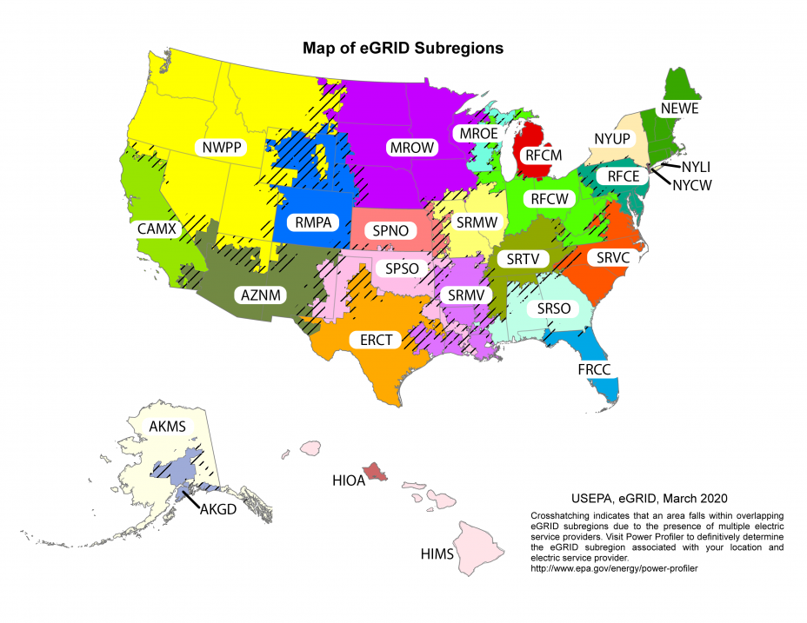

 |  | Map of NERC Regions

